Pedestrian Load
CLIENT | City of Lowell |  |  |  | STV Incorporated |  |  |  | CLIENT | City of Lowell |  | STV Incorporated
PROJECT | University Ave, Lowell, Bridge |  |  |  | MADE | CHK. | REV. | 4014943 | PROJECT | University Ave, Lowell, Bridge |  | MADE | CHK. | REV. | 4014943
SUBJECT | Bridge Load Rating |  |  |  | ARG |  |  | SHT # 1 | SUBJECT | Bridge Load Rating |  | ARG |  |  | SHT # 2
 | Pedestrian Loading |  |  |  | 2015-10-18 |  |  |  |  |  |  | 2015-10-18

 | Pedestrian load on truss panel points |  |  |  |  | Ref.
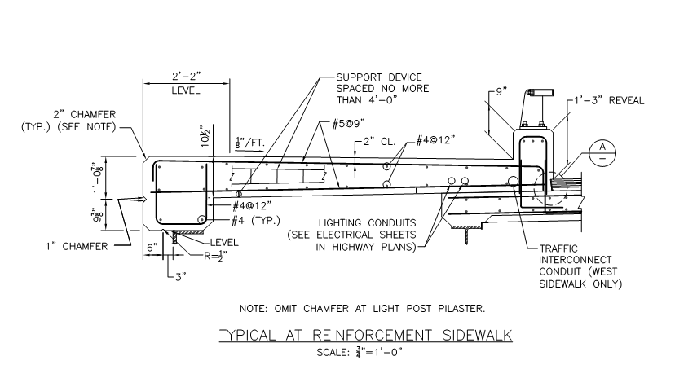

 | Figure X. | Sidewalk Cross-Section

 | W= | 10 | ft | sidewalk width |  |  | XXX
 | L= | 260 | ft | truss length |  | AASHTO
 | P= | 37.38 | lb/ft2 |  |  | P=(30+3,000/L)*((55-W)/50)

 |  | W | B | A | wpedestrian | Wpedestrian
 |  | ft | ft | ft2 | kip/ft2 | kips
 | L0 | 8 | 21.667 | 173.333 | 0.037 | 6.48
 | L1 | 8 | 21.667 | 173.333 | 0.037 | 6.48 |  |  |  | Member | Load (k) | Member | Load (k)
 | L2 | 8 | 21.667 | 173.333 | 0.037 | 6.48 |  |  |  | L0L2 |  | U1L0
 | L3 | 8 | 21.667 | 173.333 | 0.037 | 6.48 |  |  |  | L2L4 |  | U1L2
 | L4 | 8 | 21.667 | 173.333 | 0.037 | 6.48 |  |  |  | L4L6 |  | L2U3
 | L5 | 8 | 21.667 | 173.333 | 0.037 | 6.48 |  |  |  | L6L8 |  | U3L4
 | L6 | 8 | 21.667 | 173.333 | 0.037 | 6.48 |  |  |  | L8L10 |  | L4U5
 | L7 | 8 | 21.667 | 173.333 | 0.037 | 6.48 |  |  |  | L10L12 |  | U5L6
 | L8 | 8 | 21.667 | 173.333 | 0.037 | 6.48 |  |  |  | U1U3 |  | L6U7
 | L9 | 8 | 21.667 | 173.333 | 0.037 | 6.48 |  |  |  | U3U5 |  | U7L8
 | L10 | 8 | 21.667 | 173.333 | 0.037 | 6.48 |  |  |  | U5U7 |  | L8U9
 | L11 | 8 | 21.667 | 173.333 | 0.037 | 6.48 |  |  |  | U7U8 |  | U9L10
 | L12 | 8 | 21.667 | 173.333 | 0.037 | 6.48 |  |  |  | U7U9 |  | L10U11
 |  |  |  |  |  |  |  |  |  | U9U11 |  | U11L12
 | W | average sidewalk span
 | B | distance between panel points
 | A | tributary area of sidewalk per panel point

